Drum minim
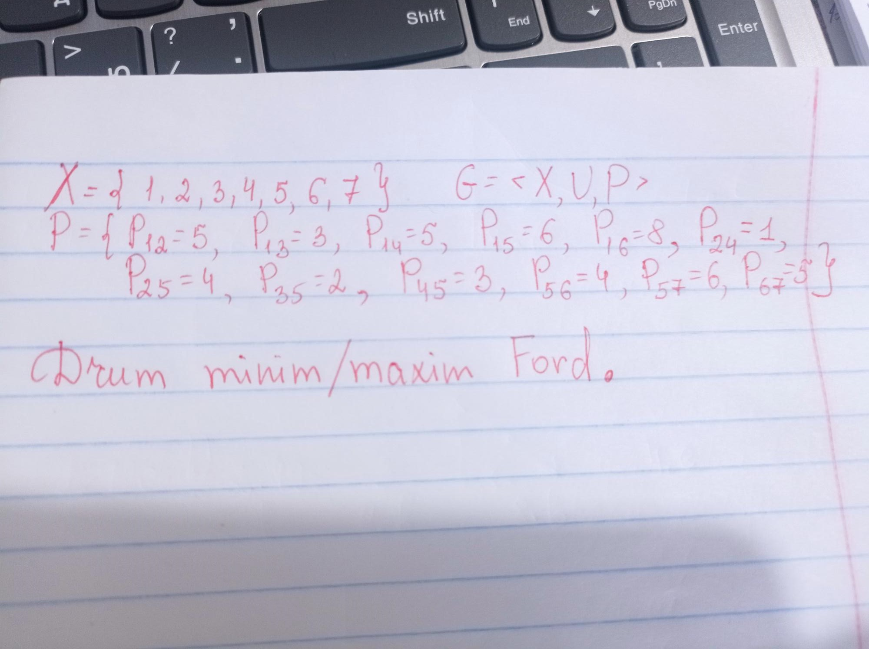
 |  |  |  | I dif | II dif
Hk=(x1,xk) |  | (xi,xj) | Pij | Hj-Hi | Hj-Hi
H1 | 0 | (x1,x2) | 5 | H2-H1=inf-0=inf>5;H2=P12+H1=5+0=5 | H2-H1=5-0=5=5
H2 | inf/5 | (x1,x3) | 3 | H3-H1=inf>3;H3=3+0=3 | H3-H1=3-0=3=3
H3 | inf/3 | (x1,x4) | 5 | H4-H1=inf>5;H4=5+0=5 | H4-H1=5-0=5=5
H4 | inf/5 | (x1,x5) | 6 | H5-H1=inf>6;H5=6+0=6 | H5-H1=5-0=5<6
H5 | inf/6/5 | (x1,x6) | 8 | H6-H1=inf>8;H6=8+0=8 | H6-H1=8-0=8=8 | Drumu minim:
H6 | inf/8 | (x2,x4) | 1 | H4-H2=5-5=0<1 | H4-H2=5-5=0<1
H7 | inf/11 | (x2,x5) | 4 | H5-H2=6-5=1<4 | H5-H2=5-5=0<4 | 1 | 3 | 5 | 7
 |  | (x3,x5) | 2 | H5-H3=6-3=3>2;H5=3+2=5 | H5-H3=5-3=2=2
 |  | (x4,x5) | 3 | H5-H4=5-5=0<3; | H5-H4=5-5=0<3
 |  | (x5,x6) | 4 | H6-H5=8-5=3<4 | H6-H5=8-5=3<4
 |  | (x5,x7) | 6 | H7-H5=inf-5=inf>6;H7=6+5=11 | H7-H5=11-5=6=6
 |  | (x6,x7) | 5 | H7-H6=11-8=3<5; | H7-H6=11-8=3<5

